TFT ILI9488-XPT2046
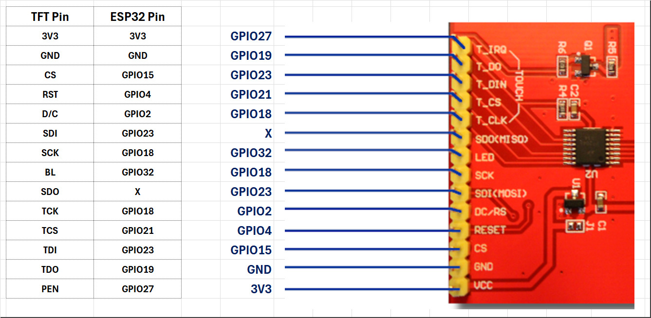
ILI 9488 TFT |  |  | ESP32-WROOM-32 |  |  |  |  |  | ILI 9488 TFT |  |  | TFT Pin | PANEL TFT | TOUCH | SD CARD | ESP32-WROOM-32 |  |  | Remarks
J2 | TFT Pin |  | Pin |  |  | ESP32 - 38 Pin |  |  | J2 | J4 | Pin | SPI Master | SPI Slave | SPI Slave | SPI Slave | ESP32 - 38 Pines
1 | 3V3 |  | 1 |  |  | 3V3 |  |  | 1 |  | 1 | 3V3 |  |  |  | 3V3 |  |  | Power Supply Pin
2 | GND |  | 38 | 32 | 14 | GND |  |  | 2 |  | 38 | GND |  |  |  | GND |  |  | Power Supply Pin
3 | CS | SS0 | 23 |  |  | GPIO15 | ADC13 | TOUCH3 | 7 | 4 | 30 | SCK | SCK | TCK | CLK | GPIO18 | VSPI SCK |  | Clock SPI Pin
4 | RST |  | 26 |  |  | GPIO4 | ADC10 | TOUCH0 | 6 | 2 | 37 | MOSI | SDI | TDI | SDI | GPIO23 | VSPI MOSI |  | Master Out Slave In SPI Pin Send Data to Display Configure the Touch
5 | D/C |  | 24 |  |  | GPIO2 | ADC12 | TOUCH2 | 13 | 3 | 31 | MISO |  | TDO | SDO | GPIO19 | VSPI MISO |  | Master In Slave Out SPI Pin Get Status from ILI9488 Get Touch Status
6 | SDI | MOSI | 37 |  |  | GPIO23 | VSPI MOSI |  | 3 |  | 23 | SS0 | CS |  |  | GPIO15 | ADC13 | TOUCH3 | ILI9488 Panel TFT Chip Select Pin
7 | SCK | SCK | 30 |  |  | GPIO18 | VSPI SCK |  | 11 |  | 33 | SS1 |  | TCS |  | GPIO21 | I2C SDA |  | Touch Chip Select Pin
8 | BL |  | 7 |  |  | GPIO32 | ADC4 | TOUCH9 |  | 1 | 29 | SS2 |  |  | SCS | GPIO5 | VSPI CS0 |  | CD Card Chip Select Pin
9 | SDO | MISO | N.C. | 31 |  | N.C. |  |  | 4 |  | 26 | RST |  |  |  | GPIO4 | ADC10 | TOUCH0 | Connect to GPIO or Connect to +3.3V
10 | TCK | SCK | 30 |  |  | GPIO18 | VSPI SCK |  | 5 |  | 24 | D/C |  |  |  | GPIO2 | ADC12 | TOUCH2 | Data or Command Selection Pin
11 | TCS | SS1 | 33 |  |  | GPIO21 | I2C SDA |  | 8 |  | 7 | BL |  |  |  | GPIO32 | ADC4 | TOUCH9 | Back Light Pin
12 | TDI | MOSI | 37 |  |  | GPIO23 | VSPI MOSI |  | 14 |  | 11 | PEN |  |  |  | GPIO27 | ADC17 | TOUCH7
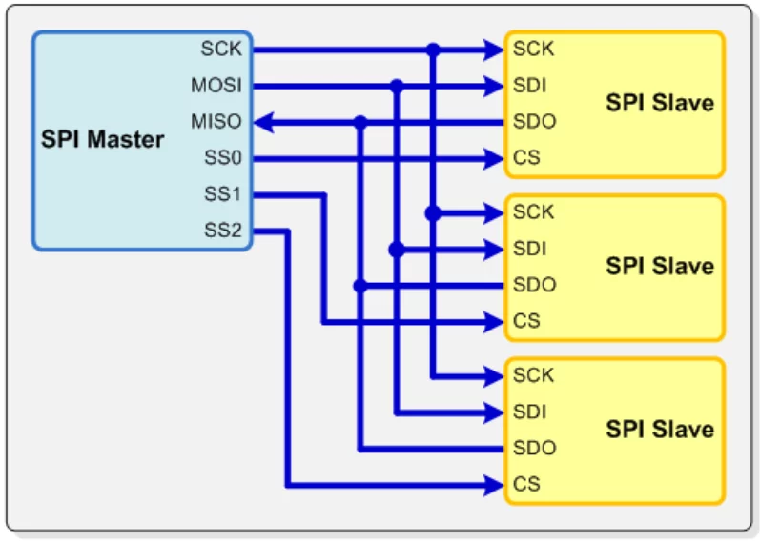
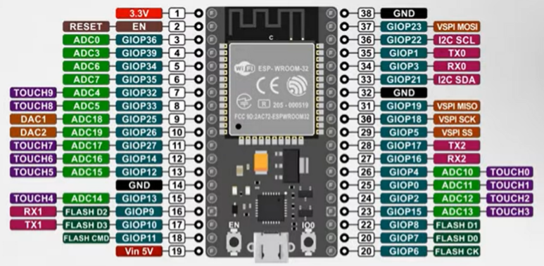
13 | TDO | MISO | 31 |  |  | GPIO19 | VSPI MISO
14 | PEN |  | 11 |  |  | GPIO27 | ADC17 | TOUCH7

ILI 9488 TFT |  |  | ESP32-WROOM-32
J4 | TFT Pin |  | Pin |  |  | ESP32 - 38 Pin
1 | SCS | SS2 | 29 |  |  | GPIO5 | VSPI CS0
2 | SDI | MOSI | 37 |  |  | GPIO23 | VSPI MOSI
3 | SDO | MISO | 31 |  |  | GPIO19 | VSPI MISO
4 | CLK | SCK | 30 |  |  | GPIO18 | VSPI SCK

